Sheet 1 - Gas vs Electric MSRP
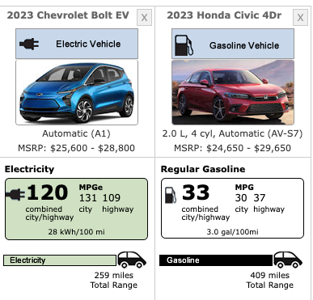
Gas vs Electric MSRP and Fuel Cost
 |  | 2023 Chevy Bolt EV 1LT (no options) | 2023 Honda Civic Sport | Add Another Car Here
Lowest trim level MSRP |  | $25600.00 | $25050.00
Mandatory destination freight charge |  | $995.00 | $1095.00
Tax Incentive and/or other Discounts ( Use NEGATIVE number ) |  |  | 0
Total Minimum |  | $26595.00 | $26,145.00
Fuel Economy (Combined, Gas) |  |  | 33
MPGe (electric) |  | 120
kWh/100 Miles |  | 28
Gallons of gas used annually |  |  | 408.36
Electricity used Annually (in kWh) |  | 3,773.28
“Official”Annual Fuel Cost |  | $600.00 | $1,400.00
Number of miles per year ( https://www.fhwa.dot.gov/ohim/onh00/bar8.htm ) | 13,476
Average cost of Gasoline ( https://www.gasbuddy.com/usa , WI ) | $3.09
Average cost of electricity (use yours, per kWh) | $0.06
Actual cost of fuel per year |  | $226.40 | $1,261.84
Oil Changes and other maintenance and costs per year |  | $0.00 | $0.00
Total Vehicle Cost Annual |  | $226.40 | $1,261.84

At Purchase |  | $26,595.00 | $26,145.00
1 Year |  | $26,821.40 | $27,406.84
2 Year |  | $27,047.79 | $28,668.69
3 Year |  | $27,274.19 | $29,930.53
4 year |  | $27,500.59 | $31,192.37
5 Year |  | $27,726.98 | $32,454.22
6 Year |  | $27,953.38 | $33,716.06
7 Year |  | $28,179.78 | $34,977.91
8 Year |  | $28,406.17 | $36,239.75

SAVINGS AFTER 8 YEARS Bolt vs Civic |  |  |  | $7,833.57
Annual Savings |  |  |  | $979.20

Sheet 2 - Gas vs Electric MSRP
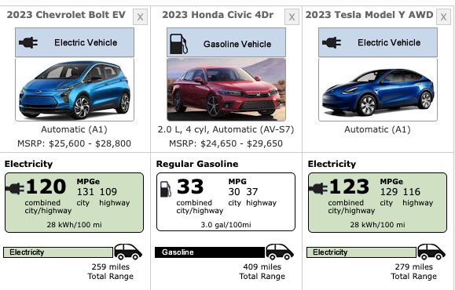
Gas vs Electric MSRP and Fuel Cost
 |  | 2023 Chevy Bolt EV 1LT (no options) | 2023 Honda Civic Sport (no options) | Tesla Model Y AWD Long Range | Add Another Car Here
Lowest trim level MSRP |  | $25600.00 | $25050.00 | $65990.00
Mandatory destination freight charge |  | $995.00 | $1095.00 | $1200.00
Tax Incentive and/or other Discounts ( Use NEGATIVE number ) |  | 0 | 0 | 0
Total Minimum |  | $26595.00 | $26,145.00 | $67,190.00
Fuel Economy (Combined, Gas) |  |  | 33
MPGe (electric) |  | 120 |  | 123
kWh/100 miles |  | 28 |  | 28
Gallons of gas used annually |  |  | 408.36
Electricity used Annually (in kWh) |  | 3,773.28 |  | 3,773.28
“Official”Annual Fuel Cost |  | $600.00 | $1,400.00
Number of miles per year ( https://www.fhwa.dot.gov/ohim/onh00/bar8.htm ) | 13,476 |  |  |  |  | 13476
Average cost of Gasoline ( https://www.gasbuddy.com/usa , WI ) | $3.09 |  |  |  |  | $3.09
Average cost of electricity (use yours, per kWh) | $0.06
Actual cost of fuel per year |  | $226.40 | $1,261.84 | $226.40
Oil Changes and other maintenance and costs per year |  | $0.00 | $70.00 | $50.00
Total Vehicle Cost Annual |  | $226.40 | $1,331.84 | $276.40

At Purchase |  | $26,595.00 | $26,145.00 | $67,190.00
1 Year |  | $26,821.40 | $27,476.84 | $67,466.40
2 Year |  | $27,047.79 | $28,808.69 | $67,742.79
3 Year |  | $27,274.19 | $30,140.53 | $68,019.19
4 year |  | $27,500.59 | $31,472.37 | $68,295.59
5 Year |  | $27,726.98 | $32,804.22 | $68,571.98
6 Year |  | $27,953.38 | $34,136.06 | $68,848.38
7 Year |  | $28,179.78 | $35,467.91 | $69,124.78
8 Year |  | $28,406.17 | $36,799.75 | $69,401.17

SAVINGS AFTER 8 YEARS Bolt vs Civic |  |  |  | $8,393.57
Annual Savings |  |  |  | $1,049.20

